Sheet1
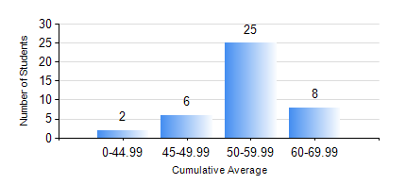
 |  |  | KWAME NKRUMAH UNIVERSITY OF SCIENCE AND TECHNOLOGY, KUMASI Department of Mechanical Engineering

 |  |  | BSC. AUTOMOBILE ENG.

 |  |  | COMPREHENSIVE RECORD OF EXAMINATION RESULTS

 |  |  | RESULTS OF YEAR 1 FIRST SEMESTER, 2018/2019 ACADEMIC YEAR

 | Sn | Course Code |  | Course Name | Credit Hours | Min. Mark | Max. Mark | Avg. Mark | Std. Dev. | No. Passed | No. Trailed | No. (Df) | No. (I) | No. (I*) | No. Tagged(I,I*,Df) | Total
 | 1. | CE 155 |  | ENVIRONMENTAL STUDIES | 2 | 43 | 75 | 60 | 7.16 | 41 | 0 | 0 | 0 | 0 | 0 | 41
 | 2. | EE 151 |  | APPLIED ELECTRICITY | 3 | 15 | 77 | 45 | 13.46 | 26 | 15 | 0 | 0 | 0 | 0 | 41
 | 3. | ENGL 157 |  | COMMUNICATION SKILLS I | 2 | 51 | 75 | 60 | 5.65 | 41 | 0 | 0 | 0 | 0 | 0 | 41
 | 4. | MATH 151 |  | ALGEBRA | 4 | 42 | 75 | 59 | 8.21 | 41 | 0 | 0 | 0 | 0 | 0 | 41
 | 5. | ME 159 |  | TECHNICAL DRAWING | 2 | 40 | 80 | 59 | 9.85 | 41 | 0 | 0 | 0 | 0 | 0 | 41
 | 6. | ME 168 |  | COMPUTER PROGRAMMING FOR ENGINEERS | 2 | 22 | 88 | 51 | 15.06 | 35 | 6 | 0 | 0 | 0 | 0 | 41
 | 7. | ME 195 |  | ENGINEERING TECHNOLOGY I | 2 | 30 | 70 | 59 | 7.51 | 40 | 1 | 0 | 0 | 0 | 0 | 41

